SC Lancaster
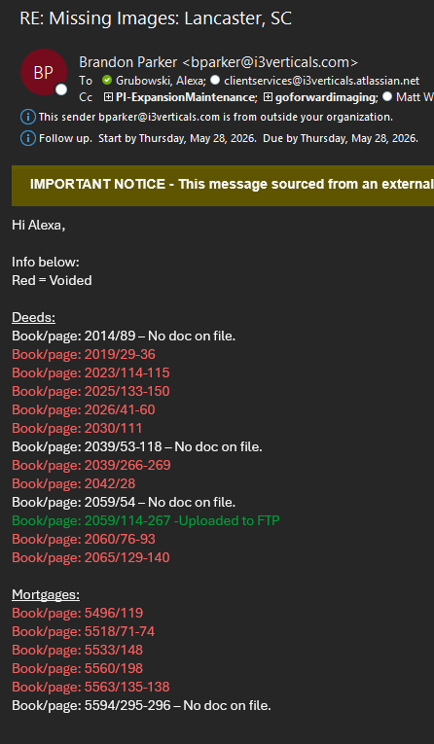
Category | Info
Total Gaps | 438 | RDED: | 2014 | 89 | 89 | 1 | MISSING |  | emailed
Volume Level | Medium |  | 2019 | 29 | 36 | 8 | MISSING |  | uploaded
Gap Types |  |  | 2023 | 114 | 115 | 2 | MISSING
Status | Active gaps |  | 2025 | 133 | 150 | 18 | MISSING
Action Required |  |  | 2026 | 41 | 60 | 20 | MISSING | 2026002409-2026002415
Notes | subcodes |  | 2030 | 111 | 111 | 1 | MISSING | 2026002930-2026002936
⬅ Back to Cover Sheet |  |  | 2039 | 53 | 118 | 66 | MISSING
 |  |  | 2039 | 266 | 269 | 4 | MISSING | 2026004056-2026004060
 |  |  | 2042 | 28 | 28 | 1 | MISSING | 2026004386-2026004388
 |  |  | 2059 | 54 | 54 | 1 | MISSING
 |  |  | 2059 | 114 | 267 | 154 |  | Ask vendor for docs
 |  |  | 2060 | 76 | 93 | 18 |  | 2026006645-2026006651
 |  |  | 2065 | 129 | 140 | 12 |  | 2026007399
 |  |  | 2070 | 174 | 210 | 37

 |  | RMTG: | 5496 | 119 | 119 | 1 | MISSING
 |  |  | 5518 | 71 | 74 | 4 | MISSING | GAP 139-210
 |  |  | 5531 | 139 | 210 | 72 | <-----------
 |  |  | 5533 | 148 | 158 | 11 | MISSING
 |  |  | 5560 | 198 | 198 | 1 | MISSING
 |  |  | 5563 | 135 | 138 | 4 | MISSING
 |  |  | 5594 | 295 | 296 | 2 | MISSING

